HNGDEC26IF

HDFC Nifty G-Sec Dec 2026 Index Fund (An open ended target maturity scheme replicating/tracking Nifty G-sec Dec 2026 Index. A Relatively High Interest Rate Risk and Relatively Low Credit Risk.) |  |  |  |  |  |  |  |  |  | Income | Hybrid
Portfolio as on 31-Mar-2023

 | ISIN | Coupon (%) | Name Of the Instrument | Industry+ /Rating | Quantity | Market/ Fair Value (Rs. in Lacs.) | % to NAV | Yield | ~YTC (AT1/Tier 2 bonds)
 | DEBT INSTRUMENTS
 | (a) Listed / awaiting listing on Stock Exchanges
 | Government Securities (Central/State)
l | IN0020210186 | 5.74 | 5.74 GOI 2026 | Sovereign | 87,679,100 | 83,720.04 | 72.64 | 7.3017
l | IN0020160035 | 6.97 | 6.97 GOI 2026 | Sovereign | 24,000,000 | 23,859.12 | 20.70 | 7.2909
l | IN0020140060 | 8.15 | 8.15 GOI 2026^ | Sovereign | 8,680,000 | 8,950.69 | 7.77 | 7.2884
l | IN0020120039 | 8.33 | 8.33 GOI 2026 | Sovereign | 8,000,000 | 8,263.75 | 7.17 | 7.3021
 | Sub Total |  |  |  |  | 124,793.60 | 108.28
 | Total |  |  |  |  | 124,793.60 | 108.28
 | MONEY MARKET INSTRUMENTS
 | TREPS - Tri-party Repo
 |  |  | TREPS - Tri-party Repo |  |  | 8,671.48 | 7.52 | 6.9086
 | Sub Total |  |  |  |  | 8,671.48 | 7.52
 | Total |  |  |  |  | 8,671.48 | 7.52
 | OTHERS
 | Net Current Assets
 |  |  | Net Current Assets |  |  | -18,219.54 | -15.80
 | Sub Total |  |  |  |  | -18,219.54 | -15.80
 | Total |  |  |  |  | -18,219.54 | -15.80

 | Grand Total |  |  |  |  | 115,245.54 | 100.00
| | Top Seven Holdings
 | + Industry Classification as recommended by AMFI
 | £ - Sponsor Company
 | ** Thinly Traded/ Non-Traded Securities (Equity) as on March 31, 2023
 | ^ Non-Traded Securities (Debt) as on March 31, 2023
 | # Non Sensex Scrips
 | @ Less than 0.01%.
 | ~ YTC i.e. Yield to Call is disclosed at security level only for Additional Tier 1 Bonds and Tier 2 Bonds issued by Banks as per AMFI Best Practices Notification 135/BP/91/2020-21 read with SEBI circular SEBI/HO/IMD/DF4/CIR/P/2021/034

 | Portfolio Classification by Industry(%)
 | G-Sec |  | 108.28
 | Cash, Cash Equivalents and Net Current Assets |  | -8.28

 | Exposure to top four sectors(%)
 | - |  | 108.28

 | Exposure to top seven groups(%)
 | Central Government of India |  | 108.28

 | Notes :
 | 1) NAV History
 | NAVs per unit (Rs.) | March 31, 2023 | February 28, 2023
 | Growth Option | 10.2918 | 10.1556
 | Growth Option - Direct Plan | 10.2981 | 10.1605

 | Dividend History - Dividend declared during the month ended March 31, 2023 : Nil

 | Bonus History - Bonus declared during the month ended March 31, 2023: Nil

 | 2) Total below investment grade or default provided for and its percentage to NAV : Nil
 | 3) Total investments in Foreign Securities / Overseas ETFs / ADRs / GDRs : Nil
 | 4) Repo in Corporate Debt : Nil
 | 5) Total outstanding exposure in Derivative Instruments as on Mar 31, 2023 : Nil
 | 6) Annualised Portfolio YTM : 7.34%
 | 7) Macaulay Duration : 1282.99 Days
 | 8) Residual Maturity (Average Portfolio Maturity-other than equity investments) : 1439.6 Days
 | 9) Pursuant to SEBI Circular SEBI/HO/IMD/DF3/CIR/P/2020/194 dated October 05, 2020, name of all the existing dividend plan / option of all mutual fund schemes has been renamed as IDCW (Income Distribution cum Capital Withdrawal) Plan / Option with effect from April 01, 2021
 | 10) Riskometer based on Scheme Portfolio and Portfolio Benchmark "NIFTY G-Sec Dec 2026 Index" as on Mar 31, 2023

 | Scheme Riskometer:
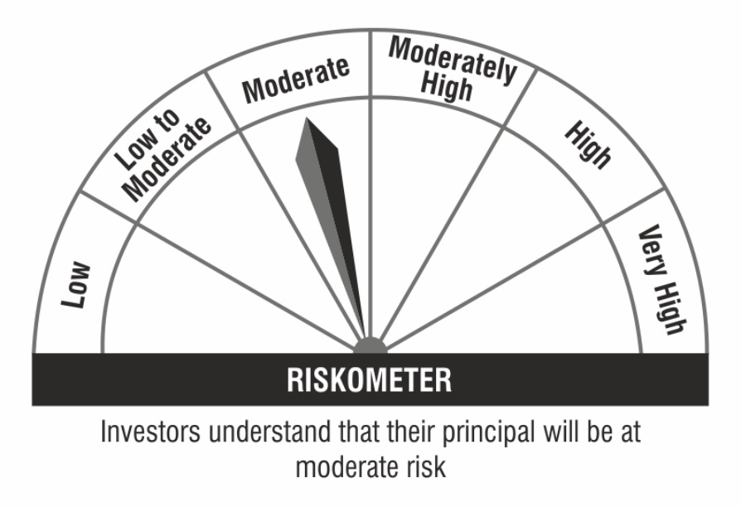

 | Benchmark Riskometer:

